UNEP_2017
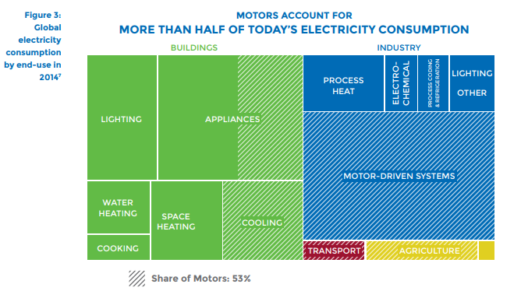
UNEP (2017) - Accelerating the Adoption of Energy-Efficient Electric Motors and Motor Systems
https://united4efficiency.org/wp-content/uploads/2017/09/U4E-MotorGuide-201709-Final.pd
Raw Data
Year | Machine | Eta.fu | Year | Machine | Eta.fu | Source
1960 | Electric motor (45KW) | 0.88 | 1960 | Electric motor (45KW) | 0.88 | UNEP (2017)
1980 | Electric motor (45KW) | 0.9 | 1961 | Electric motor (45KW) | 0.881 | Interpolated
1990 | Electric motor (45KW) | 0.902 | 1962 | Electric motor (45KW) | 0.882 | Interpolated
2000 | Electric motor (45KW) | 0.939 | 1963 | Electric motor (45KW) | 0.883 | Interpolated
2010 | Electric motor (45KW) | 0.951 | 1964 | Electric motor (45KW) | 0.884 | Interpolated
2013 | Electric motor (45KW) | 0.958 | 1965 | Electric motor (45KW) | 0.885 | Interpolated
 |  |  | 1966 | Electric motor (45KW) | 0.886 | Interpolated
 |  |  | 1967 | Electric motor (45KW) | 0.887 | Interpolated
 |  |  | 1968 | Electric motor (45KW) | 0.888 | Interpolated
 |  |  | 1969 | Electric motor (45KW) | 0.889 | Interpolated
 |  |  | 1970 | Electric motor (45KW) | 0.89 | Interpolated
 |  |  | 1971 | Electric motor (45KW) | 0.891 | Interpolated
 |  |  | 1972 | Electric motor (45KW) | 0.892 | Interpolated
 |  |  | 1973 | Electric motor (45KW) | 0.893 | Interpolated
 |  |  | 1974 | Electric motor (45KW) | 0.894 | Interpolated
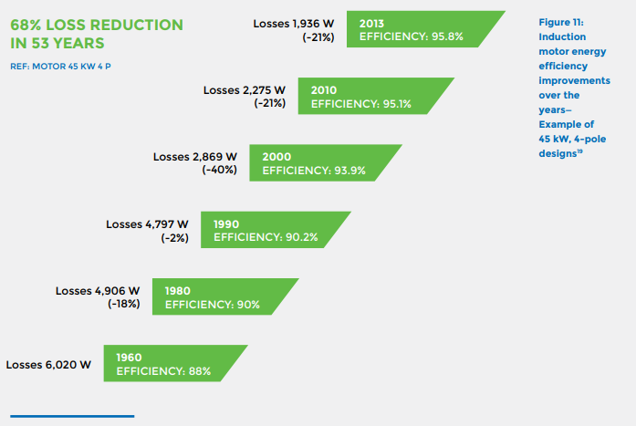
 |  |  | 1975 | Electric motor (45KW) | 0.895 | Interpolated
 |  |  | 1976 | Electric motor (45KW) | 0.896 | Interpolated
 |  |  | 1977 | Electric motor (45KW) | 0.897 | Interpolated
 |  |  | 1978 | Electric motor (45KW) | 0.898 | Interpolated
 |  |  | 1979 | Electric motor (45KW) | 0.899 | Interpolated
 |  |  | 1980 | Electric motor (45KW) | 0.9 | UNEP (2017)
 |  |  | 1981 | Electric motor (45KW) | 0.9002 | Interpolated
 |  |  | 1982 | Electric motor (45KW) | 0.9004 | Interpolated
 |  |  | 1983 | Electric motor (45KW) | 0.9006 | Interpolated
 |  |  | 1984 | Electric motor (45KW) | 0.9008 | Interpolated
 |  |  | 1985 | Electric motor (45KW) | 0.901 | Interpolated
 |  |  | 1986 | Electric motor (45KW) | 0.9012 | Interpolated
 |  |  | 1987 | Electric motor (45KW) | 0.9014 | Interpolated
 |  |  | 1988 | Electric motor (45KW) | 0.9016 | Interpolated
 |  |  | 1989 | Electric motor (45KW) | 0.9018 | Interpolated
 |  |  | 1990 | Electric motor (45KW) | 0.902 | UNEP (2017)
 |  |  | 1991 | Electric motor (45KW) | 0.9057 | Interpolated
 |  |  | 1992 | Electric motor (45KW) | 0.9094 | Interpolated
 |  |  | 1993 | Electric motor (45KW) | 0.9131 | Interpolated
 |  |  | 1994 | Electric motor (45KW) | 0.9168 | Interpolated
 |  |  | 1995 | Electric motor (45KW) | 0.9205 | Interpolated
 |  |  | 1996 | Electric motor (45KW) | 0.9242 | Interpolated
 |  |  | 1997 | Electric motor (45KW) | 0.9279 | Interpolated
 |  |  | 1998 | Electric motor (45KW) | 0.9316 | Interpolated
 |  |  | 1999 | Electric motor (45KW) | 0.9353 | Interpolated
 |  |  | 2000 | Electric motor (45KW) | 0.939 | UNEP (2017)
 |  |  | 2001 | Electric motor (45KW) | 0.9402 | Interpolated
 |  |  | 2002 | Electric motor (45KW) | 0.9414 | Interpolated
 |  |  | 2003 | Electric motor (45KW) | 0.9426 | Interpolated
 |  |  | 2004 | Electric motor (45KW) | 0.9438 | Interpolated
 |  |  | 2005 | Electric motor (45KW) | 0.945 | Interpolated
 |  |  | 2006 | Electric motor (45KW) | 0.9462 | Interpolated
 |  |  | 2007 | Electric motor (45KW) | 0.9474 | Interpolated
 |  |  | 2008 | Electric motor (45KW) | 0.9486 | Interpolated
 |  |  | 2009 | Electric motor (45KW) | 0.9498 | Interpolated
 |  |  | 2010 | Electric motor (45KW) | 0.951 | UNEP (2017)
 |  |  | 2011 | Electric motor (45KW) | 0.9533 | Interpolated
 |  |  | 2012 | Electric motor (45KW) | 0.9557 | Interpolated
 |  |  | 2013 | Electric motor (45KW) | 0.958 | UNEP (2017)
 |  |  | 2014 | Electric motor (45KW) | 0.9603 | Extrapolated
 |  |  | 2015 | Electric motor (45KW) | 0.9627 | Extrapolated
 |  |  | 2016 | Electric motor (45KW) | 0.9650 | Extrapolated
 |  |  | 2017 | Electric motor (45KW) | 0.9673 | Extrapolated
 |  |  | 2018 | Electric motor (45KW) | 0.9697 | Extrapolated
 |  |  | 2019 | Electric motor (45KW) | 0.9720 | Extrapolated
 |  |  | 2020 | Electric motor (45KW) | 0.9743 | Extrapolated

Shah_2014
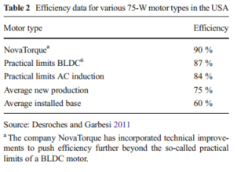
Shah et al (2014) - Efficiency improvement opportunities for ceiling fans
https://doi.org/10.1007/s12053-014-9274-6

Year | Machine Category | Efficiency [-]
2011 | Average installed base | 0.6

Schild_2009
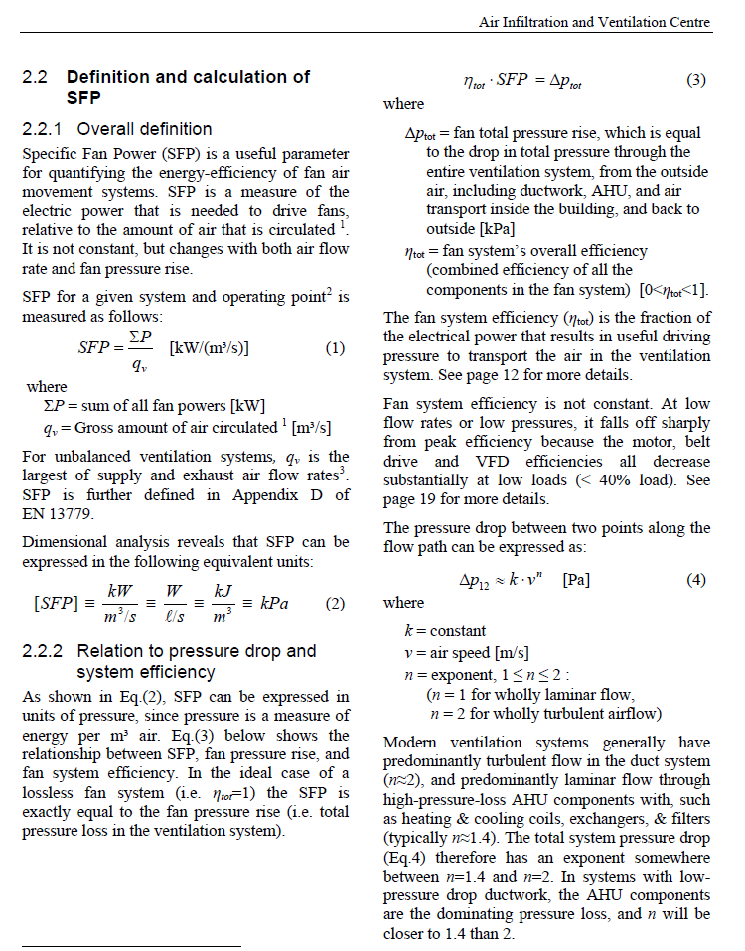
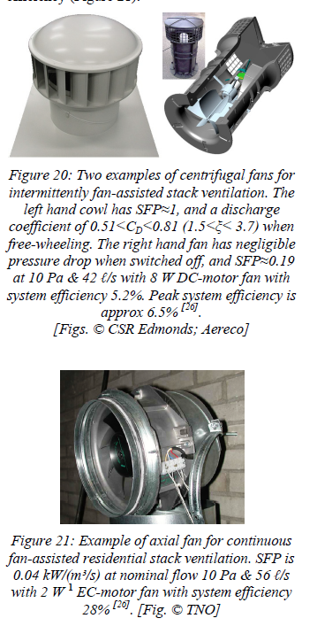
Schild & Mysen (2009) - Technical Note AIVC 65 Reccomendations on Specific Fan Power and Fan System Efficiency
https://www.aivc.org/sites/default/files/members_area/medias/pdf/Technotes/TN65_Specific%20Fan%20Power.pdf

Heun_2019
 |  |  | 1971 | 1972 | 1973 | 1974 | 1975 | 1976 | 1977 | 1978 | 1979 | 1980 | 1981 | 1982 | 1983 | 1984 | 1985 | 1986 | 1987 | 1988 | 1989 | 1990 | 1991 | 1992 | 1993 | 1994 | 1995 | 1996 | 1997 | 1998 | 1999 | 2000 | 2001 | 2002 | 2003 | 2004 | 2005 | 2006 | 2007 | 2008 | 2009 | 2010 | 2011 | 2012 | 2013
 |  | Blade efficiency | 0.17 | 0.17 | 0.17 | 0.17 | 0.17 | 0.17 | 0.17 | 0.17 | 0.17 | 0.17 | 0.17 | 0.17 | 0.17 | 0.17 | 0.17 | 0.17 | 0.17 | 0.17 | 0.17 | 0.17 | 0.17 | 0.17 | 0.17 | 0.17 | 0.17 | 0.17 | 0.17 | 0.17 | 0.17 | 0.17 | 0.17 | 0.17 | 0.17 | 0.17 | 0.17 | 0.17 | 0.17 | 0.17 | 0.17 | 0.17 | 0.17 | 0.17 | 0.17

 |  | Industrial electric motor efficiency (from PB) | 0.703333 | 0.706666 | 0.709999 | 0.713332 | 0.716665 | 0.719998 | 0.723331 | 0.726664 | 0.729997 | 0.73333 | 0.736663 | 0.739996 | 0.743329 | 0.746662 | 0.749995 | 0.753328 | 0.756661 | 0.759994 | 0.763327 | 0.76666 | 0.769993 | 0.773326 | 0.776659 | 0.779992 | 0.783325 | 0.786658 | 0.789991 | 0.793324 | 0.796657 | 0.79999 | 0.803323 | 0.806656 | 0.809989 | 0.813322 | 0.816655 | 0.819988 | 0.823321 | 0.826654 | 0.829987 | 0.83332 | 0.836653 | 0.839986 | 0.843319
 |  | Household fan motor efficiency | 0.603333 | 0.606666 | 0.609999 | 0.613332 | 0.616665 | 0.619998 | 0.623331 | 0.626664 | 0.629997 | 0.63333 | 0.636663 | 0.639996 | 0.643329 | 0.646662 | 0.649995 | 0.653328 | 0.656661 | 0.659994 | 0.663327 | 0.66666 | 0.669993 | 0.673326 | 0.676659 | 0.679992 | 0.683325 | 0.686658 | 0.689991 | 0.693324 | 0.696657 | 0.69999 | 0.703323 | 0.706656 | 0.709989 | 0.713322 | 0.716655 | 0.719988 | 0.723321 | 0.726654 | 0.729987 | 0.73332 | 0.736653 | 0.739986 | 0.743319

 |  | Overall fan efficiency | 0.10256661 | 0.10313322 | 0.10369983 | 0.10426644 | 0.10483305 | 0.10539966 | 0.10596627 | 0.10653288 | 0.10709949 | 0.1076661 | 0.10823271 | 0.10879932 | 0.10936593 | 0.10993254 | 0.11049915 | 0.11106576 | 0.11163237 | 0.11219898 | 0.11276559 | 0.1133322 | 0.11389881 | 0.11446542 | 0.11503203 | 0.11559864 | 0.11616525 | 0.11673186 | 0.11729847 | 0.11786508 | 0.11843169 | 0.1189983 | 0.11956491 | 0.12013152 | 0.12069813 | 0.12126474 | 0.12183135 | 0.12239796 | 0.12296457 | 0.12353118 | 0.12409779 | 0.1246644 | 0.12523101 | 0.12579762 | 0.12636423

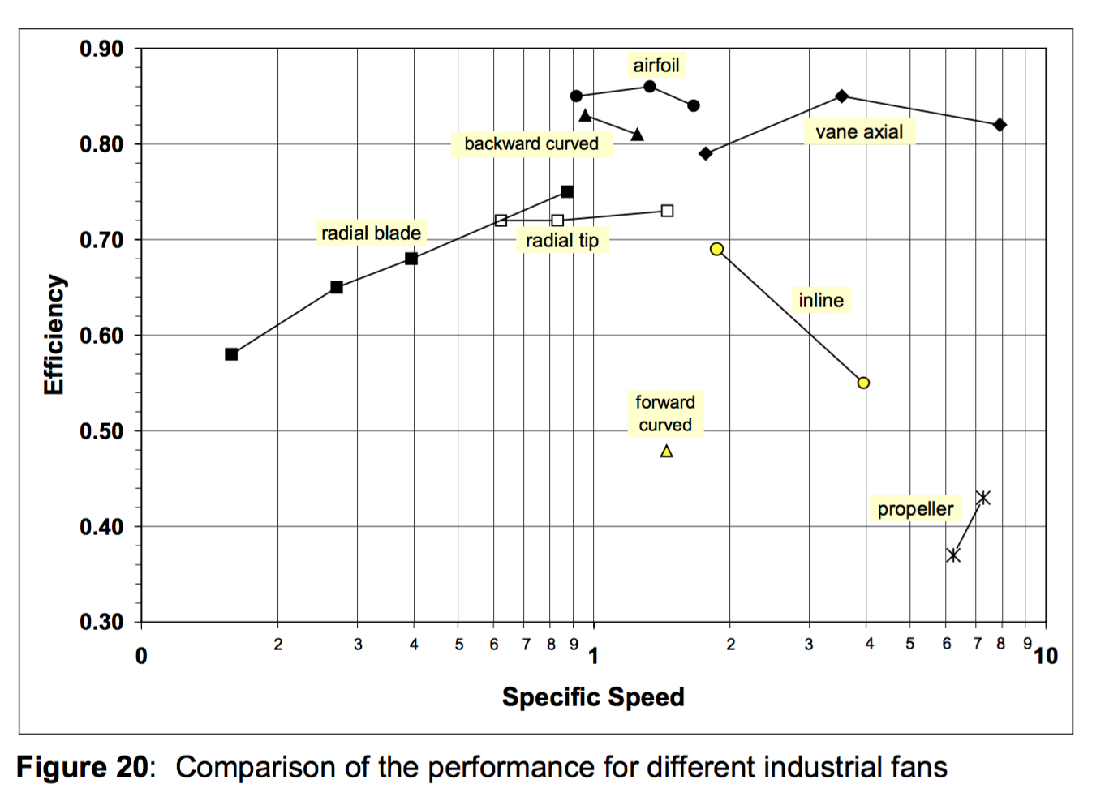
P. Ragden, C. Schmid, H. Falkner, J. Brock, B. Cory, F. Nurzia, C. Palomba, A. Lewald, G. Widerstr ̈om, B. Qvist, and G. Wernstedt. Market study for improving the energy efficiency of fans. Final report, Fraunhofer Institute, Systems Innovation Research, July 2001.
Note: these are industrial fans.
 |  |  |  |  |  |  |  |  |  |  |  | Household fans are likely to be "propeller" fans as shown below.
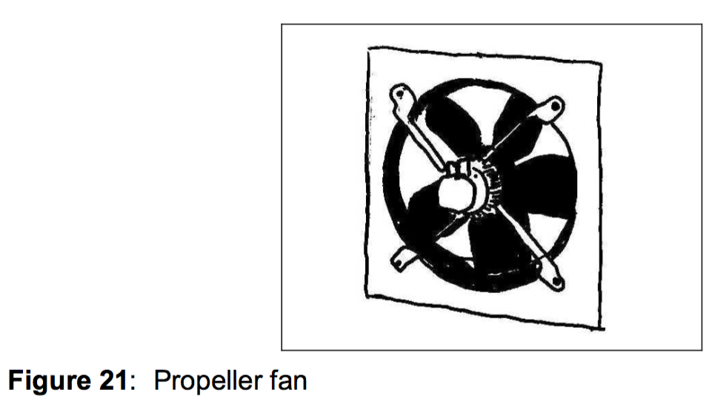

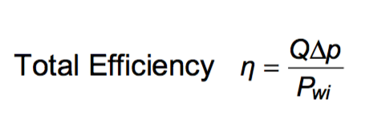
 |  |  |  |  |  |  |  |  |  |  |  |  |  |  |  | Household fan efficiency is expected to be less than
 |  |  |  |  |  |  |  |  |  |  |  |  |  |  |  | industrial fan efficiency, say by 60%.
 |  |  |  |  |  |  |  |  |  |  |  |  |  |  |  | So, household fan efficiency would be 0.4 * 0.6 = 0.24
 |  |  |  |  |  |  |  |  |  |  |  |  |  |  |  | Fan efficiency is measured here by Pwi, impeller input power,
 |  |  |  |  |  |  |  |  |  |  |  |  |  |  |  | which is different from electrical input power.
 |  |  |  |  |  |  |  |  |  |  |  |  |  |  |  | Taking account of the electric motor, we expect that system
 |  |  |  |  |  |  |  |  |  |  |  |  |  |  |  | efficiency will be, say, 70% of the impeller to air efficiency.
 |  |  |  |  |  |  |  |  |  |  |  |  |  |  |  | 0.7 * 0.24 = 0.17

 |  |  |  |  |  |  |  |  |  |  |  |  |  |  | Suggestion: Use 12% efficiency for household fans.

 | F. Gue, C. Cheong, and T. Kim. Development of low-noise axial cooling fans in a household refrigerator. Journal of Mechanical Science and Technology, 25(12):2995–3004, 2011.
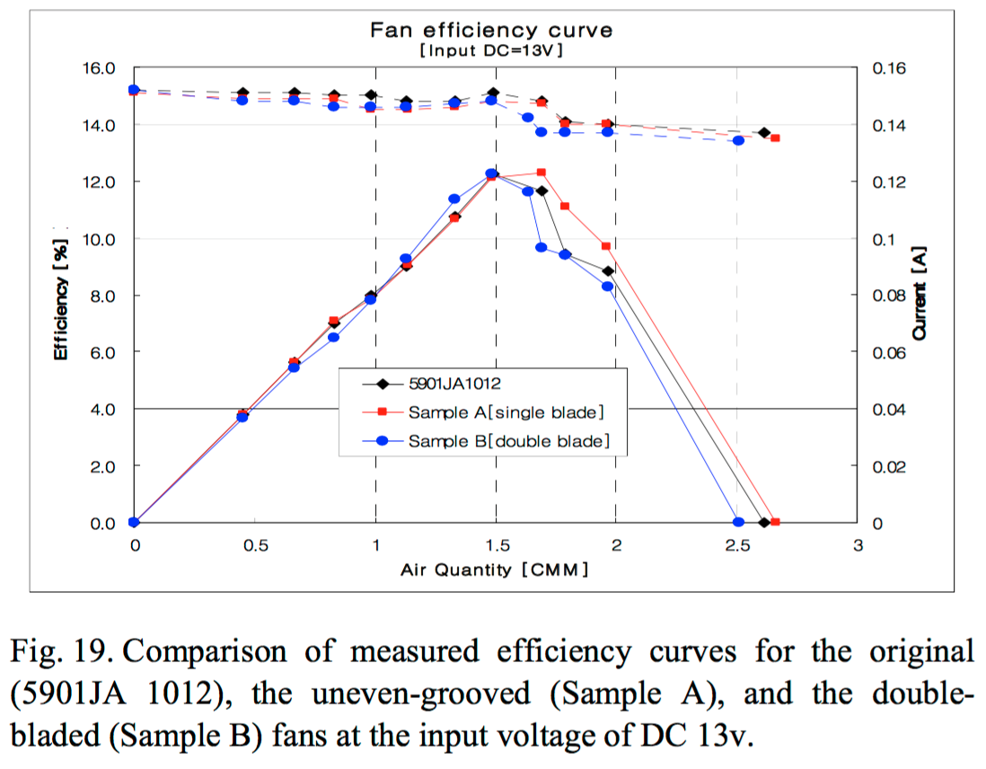

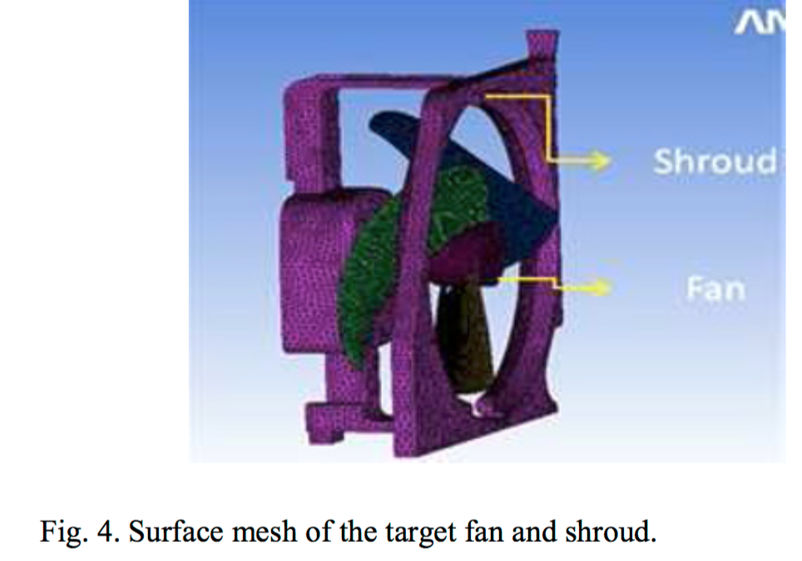

 | Shows about 10-15% efficiency for a refrigerator fan, which is similar to a propeller fan.

EngToolbox
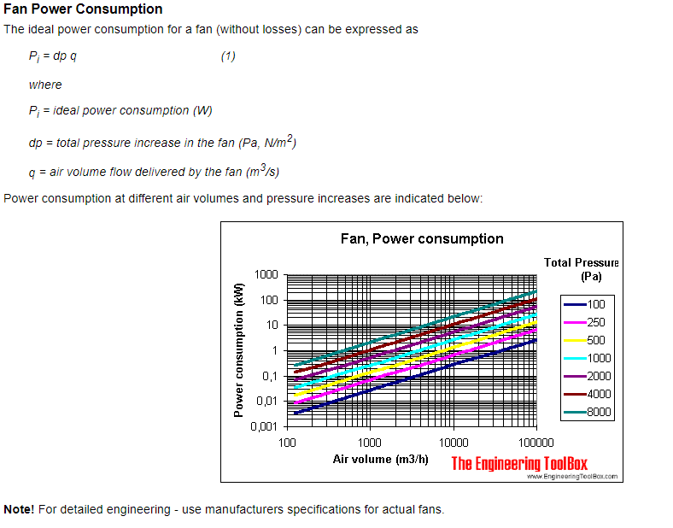
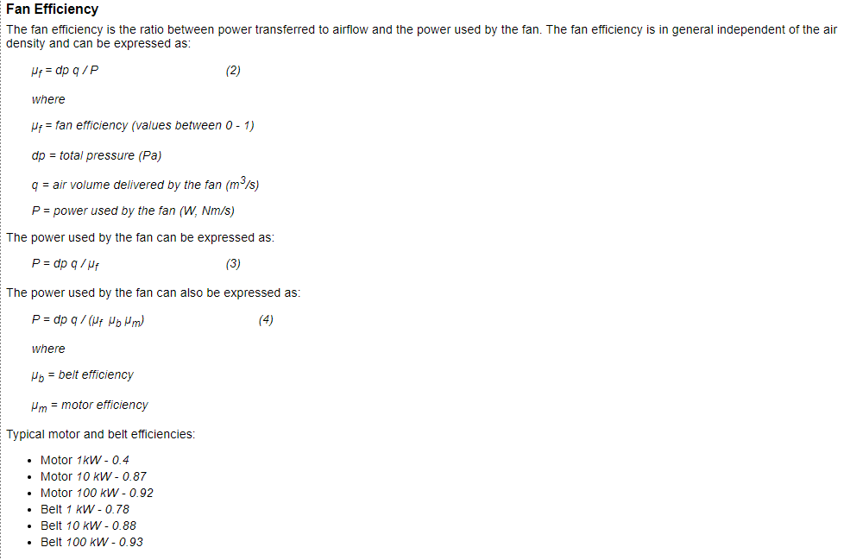
Fans - Efficiency and Power Consumption
https://www.engineeringtoolbox.com/fans-efficiency-power-consumption-d_197.html

BEE_2015
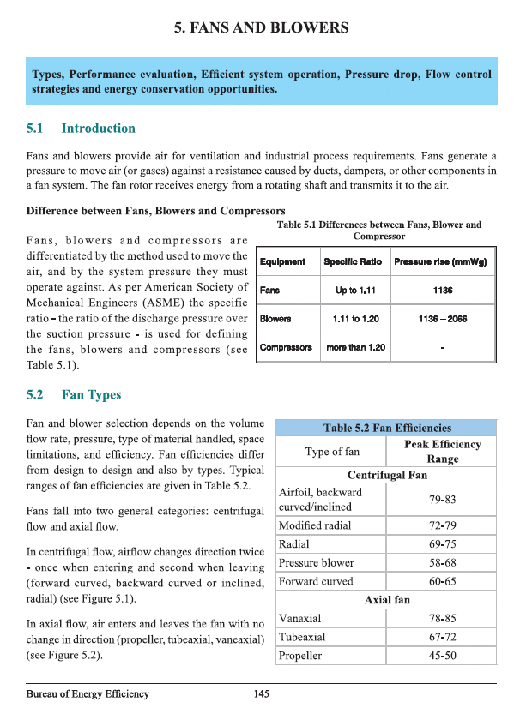
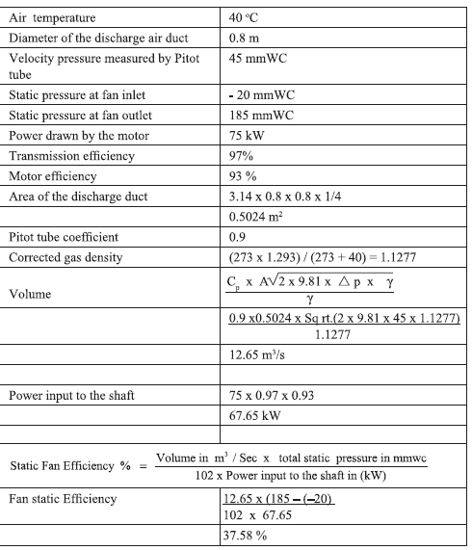
BEE (2015) - Energy Efficiency in Electrical Utilities

